Instructions
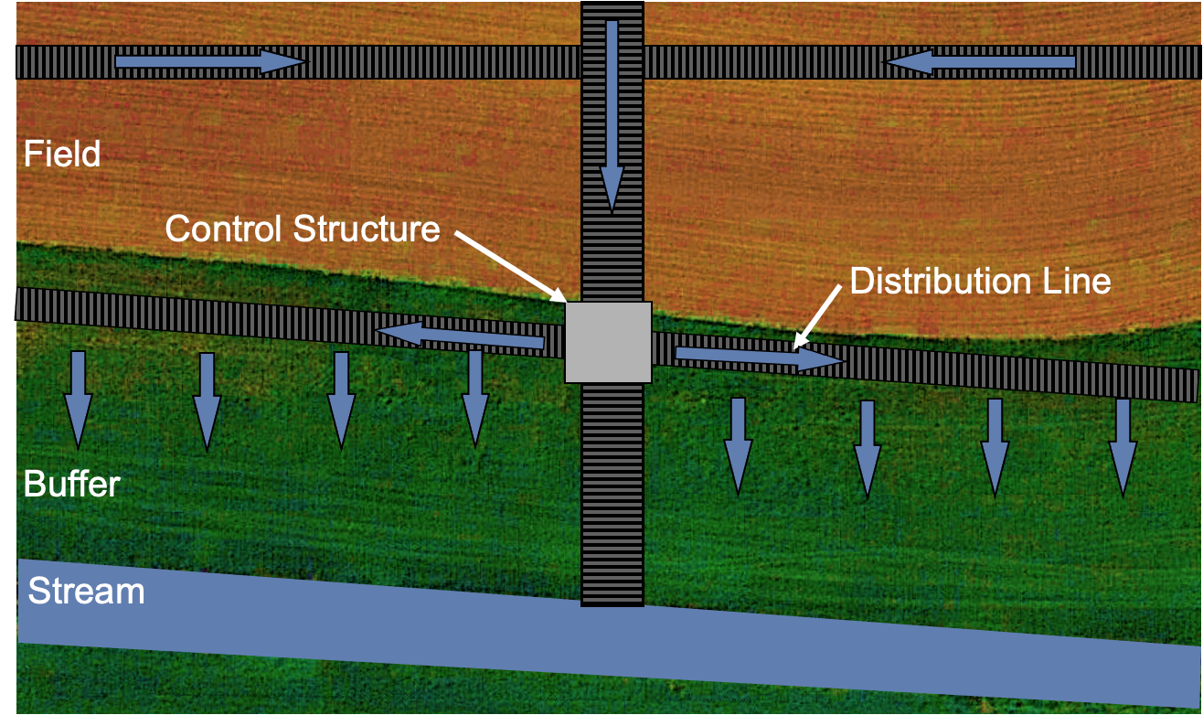
Saturated Buffer Planning Tool: Overview and Instructions

 | Purpose of this tool
 |  | The purpose of this planning tool is to guide the user through the saturated buffer planning process and help them assess whether a given site is likely to have a successful installation. It also provides guidance on the key decisions that must be made during the design phase. It is recommended that all sections be reviewed prior to starting a project so that the user is familiar with the entire process.

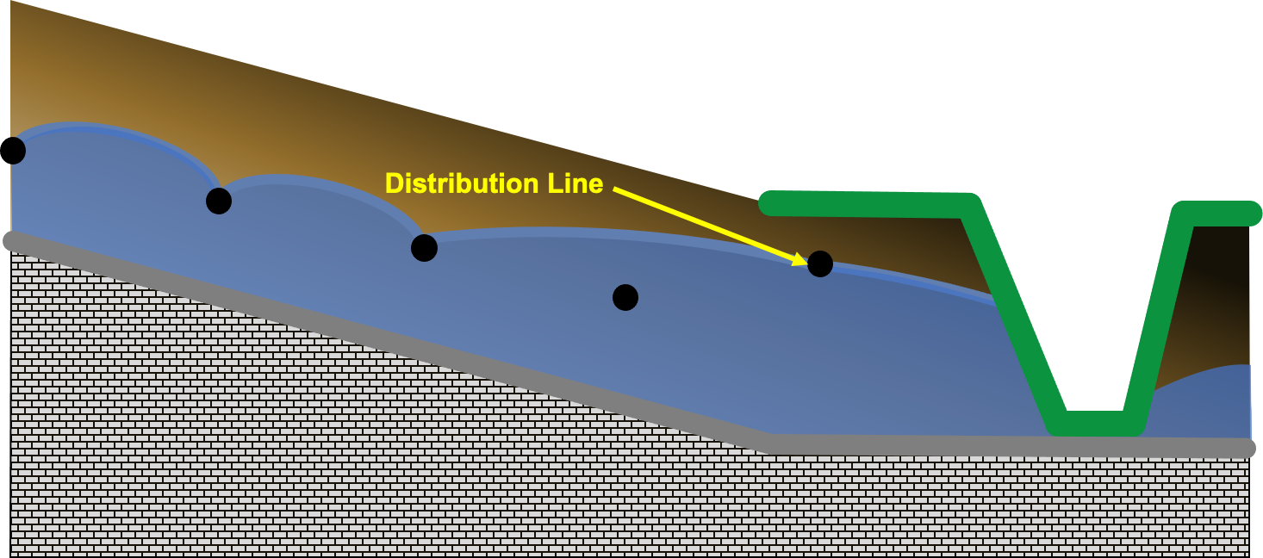
 | Background
 |  | Saturated buffers are used to remove nitrate from subsurface drainage water. The main outlet line is intercepted within the buffer and a control structure is used to divert a portion of the drainage water into a distribution line that runs along the length of the buffer, parallel to the receiving stream. The nitrate in the diverted drainage water is removed by the natural denitrification process in the soil. This process requires denitrifying bacteria (generally present in all soils), anaerobic conditions (saturated soil resulting from an elevated water table), a nitrogen source (drainage water), and a carbon source (soil organic matter). For a saturated buffer to be effective, the water table must be raised into the soil layers containing adequate soil carbon–the layers with higher organic matter.
 |  | Many saturated buffers have been implemented across the upper midwest and most have effectively removed nitrate from the diverted drainage water. However, some installations have failed to produce the desired results, highlighting some important site conditions that must be met for the desired results to be achieved. The purpose of this planning tool is to help the user identify candidate sites that are most likely to effectively reduce nitrate transport into the receiving streams.
 | Overview of Planning Tool
 |  | This Excel workbook contains eight different worksheets to help the user with the saturated buffer planning process. The various worksheets are numbered to indicate the intended order by which the user should move through the planning process. The workbook is locked to prevent accidentally disrupting some of the functionality. If the user wants to make modifications to fit their personal needs the passcode for unlocking the workbook is “buffer”. We suggest making and preserving a copy of the original workbook if modifications are going to be made.

 |  | Introduction
 |  |  | This worksheet contains an overview of the planning tool.

 |  | 1 - Site Preview
 |  |  | This worksheet outlines how to screen a potential site to see if further investigation and a site visit is warranted. Free applications, such as Google Earth Pro, are available and helpful for completing the site preview. There is a “ranking” number that updates in the top-right corner of the worksheet. Higher ranking values indicate a site that is likely more favorable for a saturated buffer. The ranking number drops to zero if any of the site parameters indicate that a saturated buffer will not work at the site.

 |  | 2 - Site Visit
 |  |  | These are conditions that should be checked at the site to decide whether a successful saturated buffer could be implemented.

 |  | 3 - Site Measurements
 |  |  | This contains a checklist of the measurements that are needed at the site in order to complete the design phase of the project.

 |  | 4 - Design
 |  |  | This worksheet is to help the user make key design decisions, based on measured site conditions, and make a final assessment as to whether the site is suitable for a saturated buffer. It contains simplified schematics, based on user inputs, to help the user visualize potential water table elevations, pipe depths, and flow through the organic soil layers. The provided schematics are intended for visualization only; additional drawings and information may be required to proceed to the installation phase of the project. Water table elevations, flow rates, etc are all estimates. Actual results may, and probably will, vary.

 |  | Worksheet
 |  |  | This worksheet is blank and unlocked for the user to record additional information or make other calculations.

 |  | Information
 |  |  | This worksheet contains supplemental information to help the user make appropriate design decisions.

 |  | References
 |  |  | This contains a list of resources that the authors used to develop this planning tool.

 | Disclaimer
 |  | The authors of this planning tool used published reports and scientific papers, input from practitioners, and personal design and monitoring experience with saturated buffers to guide the development of this resource. They also performed computer simulations to fill in knowledge-gaps related to some of the design decisions. Research into the optimum design process for saturated buffers is still ongoing and future modifications to the recommendations contained in this tool should be expected.

 | This planning tool was created by Nathan Utt and Gary Sands (University of Minnesota) with funding provided the Minnesota Department Agriculture.

 | Questions and requests more information should be sent to uttxx008@umn.edu

 | Version: 1
 | last revised 9/30/2022

1-Site Preview
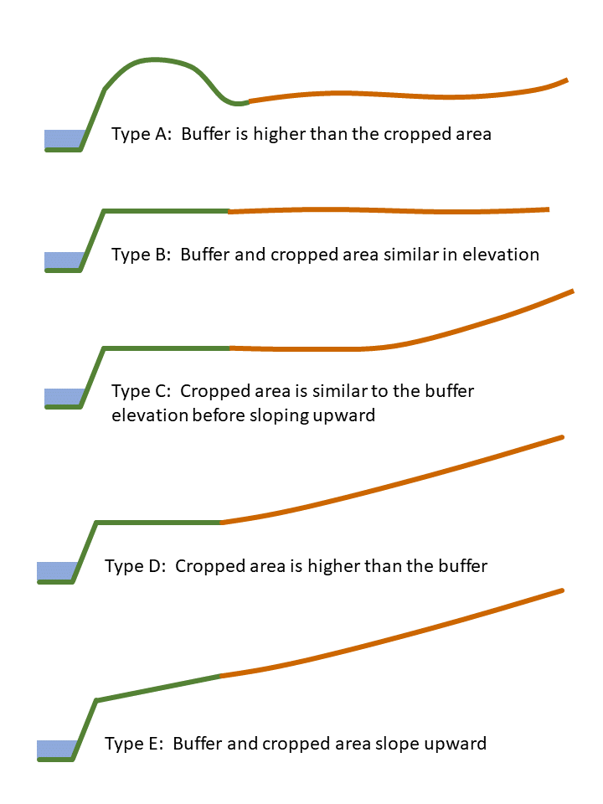
Step 1: Site Preview |  |  |  |  |  | 0
 |  |  |  |  |  | RANKING |  | 1A |  | severe meander
 |  | Insert text/numbers in the orange cells |  |  |  |  |  |  |  | moderate meander
 |  | Blue cells have drop down menus |  |  |  |  |  |  |  | slight meander
 |  |  |  |  |  |  |  |  |  | straight
 | 1A | Is the stream straight or does it meander? |  |  |  |  |  |  | 0 | 1A sum
 |  |  |  |  |  |  |  | 1B | 1 | length
 |  |  |  |  |  |  |  |  | 1 | min width
 | 1B | Buffer dimensions |  | Length (ft) | Minimum Width (ft) | Maximum Width (ft) |  | 1C |  | unknown
 |  | Buffer may be too short for use |  |  |  |  |  |  |  | predominately grass
 |  | Buffer may be too narrow for use |  |  |  |  |  |  |  | grass with a few woody plants
 |  |  |  |  |  |  |  |  |  | grass with a lot of woody plants
 | 1C | Buffer Vegetation |  |  |  |  | HELP |  |  | predominately woody plants (trees)
 |  |  |  |  |  |  |  |  | 0 | 1C sum
 |  |  |  |  |  |  |  | 1D |  | unknown
 | 1D | Soil Drainage Class |  |  |  |  | HELP |  |  | excessively drained
 |  | https://casoilresource.lawr.ucdavis.edu/gmap/ |  |  |  |  |  |  |  | somewhat excessively drained
 |  |  |  |  |  |  |  |  |  | well drained
 | 1E | Soil Organic Matter |  | Depth (ft) that the organic content is > 1.2% |  |  |  |  |  | moderately well drained
 |  | https://casoilresource.lawr.ucdavis.edu/gmap/ |  |  |  |  |  |  |  | somewhat poorly drained

 |  |  |  |  |  |  |  |  |  | poorly drained
 | 1F | Saturated hydraulic conductivity (Ksat) |  |  | mm/hr |  | HELP |  |  | very poorly drained
 |  | https://casoilresource.lawr.ucdavis.edu/gmap/ |  |  |  |  |  |  | 0 | 1D sum
 |  |  |  |  |  |  |  | 1E | 0
 | 1G | Topography Type |  |  |  |  | HELP | 1G |  | unknown
 |  |  |  |  |  |  |  |  |  | Type A
 |  |  |  |  |  |  |  |  |  | Type B
 | 1H | Area drained (subsurface) through buffer |  |  | (# of acres) |  | HELP |  |  | Type C
 |  |  |  |  |  |  |  |  |  | Type D
 |  |  |  |  |  |  |  |  |  | Type E
 | 1I | Surface inlets in tile dainage system |  |  | # of inlents |  | HELP |  | 0 | 1F sum
 |  |  |  |  |  |  |  | 1H | 1
 |  |  |  |  |  |  |  | 1I |  | unknown
 | 1J | Site Access |  |  |  |  | HELP |  |  | yes
 |  |  |  |  |  |  |  |  |  | no
 |  |  |  |  |  |  |  |  | 0 | 1G sum
 | 1K | Other features of interest that should be checked during the site visit | 1 |  |  |  | HELP
 |  |  | 2 |  |  |  |  |  | 0 | TOTAL
 |  |  | 3 |  |  |  |  |  | 10 | cutoff
 |  |  | 4
 |  |  | 5
 |  |  | 6

4-Design
Cross-Section View Orientation: standing in the stream at the outlet and looking towards the buffer
Step 4: Design

 |  |  |  |  |  |  |  | 0.05 | % WL decrease with distance along the DL
 |  |  | blue cells indicate data measured for the site |  |  |  |  | 0.0005
 |  |  | orange cells indicate design decisions

 | 4A | Ground surface elevation |  |  |  |  |  |  | Ground Surface | Distribution Line | Bottom of Organic Layer | Water Table | Restrictive Layer | Stream Bottom
 |  |  | at the control structure | 100.00 | ft |  | left | 0.0 | 100.00 | 95.3 | 97.00 | 98.85 | 90.0 | 90.00
 |  |  | at the end of the distribution line (left) | 100.00 | ft |  | center | 0 | 100.00 | 95.30 | 97.00 | 98.85 | 90.0 | 90.00
 |  |  | at the end of the distribution line (right) | 100.00 | ft |  | right | 1500.0 | 100.00 | 96.8 | 97.00 | 98.10 | 90.0 | 90.00

 | 4B | Elevation of stream bottom |  |  |  |  |  |  | Intercepted Tile Main
 |  |  | at the control structure | 90.00 | ft |  |  | -7.5 | 95.00
 |  |  | at the end of the distribution line (left) | 90.00 | ft |  |  | -7.5 | 95.50 |  |  |  | -5
 |  |  | at the end of the distribution line (right) | 90.00 | ft |  |  | 7.5 | 95.50
 |  |  |  |  |  |  |  | 7.5 | 95.00
 | 4C | Elevation (flowline) of intercepted tile main
 |  |  | at control structure | 95.00 | ft |  | control structure |  |  |  |  | Restrictive Layer
 |  |  |  |  |  |  |  | x | Water Table |  | -8 | 90.00
 | 4G | Typical depth of base-flow in the ditch |  |  |  |  | stream btm | -8 | 91.50 |  | 35 | 90.00
 |  |  | at the control structure | 1.50 | ft |  | bank btm | -5 | 91.50
 |  |  | at the end of the distribution line (left) | 1.50 | ft |  | bank WL | -4.25 | 91.50 |  |  | Bottom of Organic Layer
 |  |  | at the end of the distribution line (right) | 1.50 | ft |  | DL | 30.0 | 98.85 |  | -1.5 | 97.00
 |  |  |  |  |  |  | End | 35 | 98.85 |  | 35 | 97.00
Profile View at the Control Structure
 | 4H | Depth to restrictive soil layer
 |  |  | at the control structure | 10.0 | ft |  |  |  | Distribution Line |  |  | Ground Surface
 |  |  | at the end of the distribution line (left) | 10.0 | ft |  |  | 29.75 | 95.30 |  | -8 | 90.00
 |  |  | at the end of the distribution line (right) | 10.0 | ft |  |  | 29.75 | 95.80 |  | -5 | 90.00
 |  |  |  |  |  |  |  | 30.25 | 95.80 |  | 0 | 100.00
 | 4E | Depth of the Organic Layer |  |  |  |  |  | 30.25 | 95.30 |  | 35 | 100.00
 |  |  | at the control structure | 3.00 | ft
 |  |  | at the end of the distribution line (left) | 3.00 | ft |  | left end |  |  |  |  | Restrictive Layer
 |  |  | at the end of the distribution line (right) | 3.00 | ft |  |  | x | Water Table |  | -8 | 90.00
 |  |  |  |  |  |  | stream btm | -8 | 91.50 |  | 35 | 90.00
 | 4D | Saturated hydraulic conductivity (Ksat) (see Step 1F) |  | 35.0 | mm/hr |  | bank btm | -5 | 91.50
 |  |  |  |  |  |  | bank WL | -4.25 | 91.50 |  |  | Bottom of Organic Layer
 | 4F | Distribution Line information |  |  |  | HELP | DL | 30.0 | 98.85 |  | -1.5 | 97.00
 |  |  | minimum distance from bank to distribution line | 30.0 | ft |  | End | 35 | 98.85 |  | 35 | 97.00
 |  |  | pipe diameter | 6 | inch
 |  |  | length to left of control structure | 0.0 | ft |  |  |  | Distribution Line |  |  | Ground Surface
 |  |  | length to right of control structure | 1500.0 | ft |  |  | 29.75 | 95.30 |  | -8 | 90.00
 |  |  | vertical offset from intercepted main | 0.30 | ft |  |  | 29.75 | 95.80 |  | -5 | 90.00
 |  |  | pipe grade (left) | 0.10 | % |  |  | 30.25 | 95.80 |  | 0 | 100.00
 |  |  | pipe grade (right) | 0.10 | % |  |  | 30.25 | 95.30 |  | 35 | 100.00

Profile View at the left end of the distribution line
 | 4G | Saturated Buffer water management elevation
 |  |  | standard elevation | 99.00 | ft |  | right end |  |  |  |  | Restrictive Layer
 |  |  | design elevation | 99.00 | ft | HELP |  | x | Water Table |  | -8 | 90.00
 |  |  |  |  |  |  | stream btm | -8 | 91.50 |  | 35 | 90.00
 |  |  | design WT depth at the control structure | 98.85 | ft |  | bank btm | -5 | 91.50
 |  |  | design WT depth at the buffer end (left) | 98.85 | ft |  | bank WL | -4.25 | 91.50 |  |  | Bottom of Organic Layer
 |  |  | design WT depth at the buffer end (right) | 98.10 | ft |  | DL | 30.0 | 98.10 |  | -1.5 | 97.00
 |  |  |  |  |  |  | End | 35 | 98.10 |  | 35 | 97.00
 | 4H | Estimated buffer soil volume used for treatment
 |  |  | Volume of profile saturated | 9490 | cu. yard |  |  |  | Distribution Line |  |  | Ground Surface
 |  |  | Volume of organic layer saturated | 309 | cu. yard |  |  | 29.75 | 96.80 |  | -8 | 90.00
 |  |  | Portion of saturated area in the organic layer | 3.3 | % |  |  | 29.75 | 97.30 |  | -5 | 90.00
 |  |  |  |  |  |  |  | 30.25 | 97.30 |  | 0 | 100.00
 | 4I | Estimated maximum water volume treated |  | 0.0487 | cfs |  |  | 30.25 | 96.80 |  | 35 | 100.00
 |  |  |  | 21.86 | gpm
 |  |  |  |  |  |  | saturated volume
 |  |  |  |  |  |  | above btm | area | volume
 |  |  |  |  |  |  | WT st | 177.2
 |  |  |  |  |  |  | WT left | 177.2 | 0 | 0.00
 |  |  |  |  |  |  | WT right | 164.4 | 256232.8125 | 256232.81

Profile View at the right end of the distribution line
 |  |  |  |  |  |  | aboveOM | area | volume
 |  |  |  |  |  |  | WT st | 8.0
 |  |  |  |  |  |  | WT left | 8.0 | 0 | 0.00
 |  |  |  |  |  |  | WT right | 3.1 | 8335.3316327 | 8335.33

 |  |  |  |  |  |  | estimated max flow treated
 |  |  |  |  |  |  | q structure | 0.12752 | cuft/hr/ft
 |  |  |  |  |  |  | q left | 0.12752 | cuft/hr/ft |  | Ksat | 0.11483 | ft/hr
 |  |  |  |  |  |  | q right | 0.10621 | cuft/hr/ft

 |  |  |  |  |  |  | Q left | 0.00000 | cuft/hr |  | Qtot | 175.30237 | cuft/hr
 |  |  |  |  |  |  | Q right | 175.30237 | cuft/hr

